Asset Cost Form

TANGIBLE CAPITAL ASSETS FORM |  |  | LANDSCAPE - DEVELOPMENT INSPECTIONS
 |  |  | SUBDIVISION AND DEVELOPMENT COORDINATION
 |  |  | URBAN FORM AND CORPORATE STRATEGIC DEVELOPMENT
 |  |  | CITY PLANNING
TO BE COMPLETED BY DEVELOPER |  |  |  |  |  | TO BE COMPLETED BY
Neighbourhood Name & Stage: |  |  | Developer Firm: |  |  | CITY OF EDMONTON FINANCE
Legal Description: |  |  | Developer Contact: |  |  | BA. | 28
Improvement: |  |  | Developer Email: |  |  | Cost Centre | 282500
LDA #: |  |  | Developer Phone: |  |  | Statscan Code | 1020
Servicing Agreement #: |  |  | Consulting Firm: |  |  | GRAND TOTAL (ALL) :
Submission Date: |  |  | Consultant Contact:
NOTES: |  |  | Consultant Email: |  |  | $0.00
 |  |  | Consultant Phone:

ASSET CLASS: (choose from Pull down below) |  | ITEM | SIZE/TYPE/MODEL | UNIT | QUANTITY | UNIT RATE | AMOUNT
Types of Assets - Select | 1 |  |  | MEASUREMENTS
Types of Assets - Select | 2 |  |  | MEASUREMENTS
Types of Assets - Select | 3 |  |  | MEASUREMENTS
Types of Assets - Select | 4 |  |  | MEASUREMENTS
Types of Assets - Select | 5 |  |  | MEASUREMENTS
Types of Assets - Select | 6 |  |  | MEASUREMENTS
Types of Assets - Select | 7 |  |  | MEASUREMENTS
Types of Assets - Select | 8 |  |  | MEASUREMENTS
Types of Assets - Select | 9 |  |  | MEASUREMENTS
Types of Assets - Select | 10 |  |  | MEASUREMENTS
Types of Assets - Select | 11 |  |  | MEASUREMENTS
Types of Assets - Select | 12 |  |  | MEASUREMENTS
Types of Assets - Select | 13 |  |  | MEASUREMENTS
Types of Assets - Select | 14 |  |  | MEASUREMENTS
Types of Assets - Select | 15 |  |  | MEASUREMENTS
Types of Assets - Select | 16 |  |  | MEASUREMENTS
Types of Assets - Select | 17 |  |  | MEASUREMENTS
Types of Assets - Select | 18 |  |  | MEASUREMENTS
Types of Assets - Select | 19 |  |  | MEASUREMENTS
Types of Assets - Select | 20 |  |  | MEASUREMENTS
Types of Assets - Select | 21 |  |  | MEASUREMENTS
Types of Assets - Select | 22 |  |  | MEASUREMENTS
Types of Assets - Select | 23 |  |  | MEASUREMENTS
Types of Assets - Select | 24 |  |  | MEASUREMENTS
Types of Assets - Select | 25 |  |  | MEASUREMENTS
Types of Assets - Select | 26 |  |  | MEASUREMENTS
Types of Assets - Select | 27 |  |  | MEASUREMENTS
Types of Assets - Select | 28 |  |  | MEASUREMENTS
Types of Assets - Select | 29 |  |  | MEASUREMENTS
Types of Assets - Select | 30 |  |  | MEASUREMENTS
Types of Assets - Select | 31 |  |  | MEASUREMENTS
Types of Assets - Select | 32 |  |  | MEASUREMENTS
Types of Assets - Select | 33 |  |  | MEASUREMENTS
Types of Assets - Select | 34 |  |  | MEASUREMENTS
Types of Assets - Select | 35 |  |  | MEASUREMENTS
Types of Assets - Select | 36 |  |  | MEASUREMENTS
Types of Assets - Select | 37 |  |  | MEASUREMENTS
Types of Assets - Select | 38 |  |  | MEASUREMENTS
Types of Assets - Select | 39 |  |  | MEASUREMENTS
Types of Assets - Select | 40 |  |  | MEASUREMENTS
Types of Assets - Select | 41 |  |  | MEASUREMENTS
Types of Assets - Select | 42 |  |  | MEASUREMENTS
Types of Assets - Select | 43 |  |  | MEASUREMENTS
Types of Assets - Select | 44 |  |  | MEASUREMENTS
Types of Assets - Select | 45 |  |  | MEASUREMENTS
Types of Assets - Select | 46 |  |  | MEASUREMENTS
Types of Assets - Select | 47 |  |  | MEASUREMENTS
Types of Assets - Select | 48 |  |  | MEASUREMENTS
Types of Assets - Select | 49 |  |  | MEASUREMENTS
Types of Assets - Select | 50 |  |  | MEASUREMENTS
Types of Assets - Select | 51 |  |  | MEASUREMENTS
Types of Assets - Select | 52 |  |  | MEASUREMENTS
Types of Assets - Select | 53 |  |  | MEASUREMENTS
Types of Assets - Select | 54 |  |  | MEASUREMENTS
Types of Assets - Select | 55 |  |  | MEASUREMENTS
Types of Assets - Select | 56 |  |  | MEASUREMENTS
Types of Assets - Select | 57 |  |  | MEASUREMENTS
Types of Assets - Select | 58 |  |  | MEASUREMENTS
Types of Assets - Select | 59 |  |  | MEASUREMENTS
Types of Assets - Select | 60 |  |  | MEASUREMENTS
Types of Assets - Select | 61 |  |  | MEASUREMENTS
Types of Assets - Select | 62 |  |  | MEASUREMENTS
Types of Assets - Select | 63 |  |  | MEASUREMENTS
Types of Assets - Select | 64 |  |  | MEASUREMENTS
Types of Assets - Select | 65 |  |  | MEASUREMENTS
Types of Assets - Select | 66 |  |  | MEASUREMENTS
Types of Assets - Select | 67 |  |  | MEASUREMENTS
Types of Assets - Select | 68 |  |  | MEASUREMENTS
Types of Assets - Select | 69 |  |  | MEASUREMENTS
Types of Assets - Select | 70 |  |  | MEASUREMENTS
Types of Assets - Select | 71 |  |  | MEASUREMENTS
Types of Assets - Select | 72 |  |  | MEASUREMENTS
Types of Assets - Select | 73 |  |  | MEASUREMENTS
Types of Assets - Select | 74 |  |  | MEASUREMENTS
Types of Assets - Select | 75 |  |  | MEASUREMENTS
Types of Assets - Select | 76 |  |  | MEASUREMENTS
Types of Assets - Select | 77 |  |  | MEASUREMENTS
Types of Assets - Select | 78 |  |  | MEASUREMENTS
Types of Assets - Select | 79 |  |  | MEASUREMENTS
Types of Assets - Select | 80 |  |  | MEASUREMENTS
Types of Assets - Select | 81 |  |  | MEASUREMENTS
Types of Assets - Select | 82 |  |  | MEASUREMENTS
Types of Assets - Select | 83 |  |  | MEASUREMENTS
Types of Assets - Select | 84 |  |  | MEASUREMENTS
Types of Assets - Select | 85 |  |  | MEASUREMENTS
Types of Assets - Select | 86 |  |  | MEASUREMENTS
Types of Assets - Select | 87 |  |  | MEASUREMENTS
Types of Assets - Select | 88 |  |  | MEASUREMENTS
Types of Assets - Select | 89 |  |  | MEASUREMENTS
Types of Assets - Select | 90 |  |  | MEASUREMENTS
Types of Assets - Select | 91 |  |  | MEASUREMENTS
Types of Assets - Select | 92 |  |  | MEASUREMENTS
Types of Assets - Select | 93 |  |  | MEASUREMENTS
Types of Assets - Select | 94 |  |  | MEASUREMENTS
Types of Assets - Select | 95 |  |  | MEASUREMENTS
Types of Assets - Select | 96 |  |  | MEASUREMENTS
Types of Assets - Select | 97 |  |  | MEASUREMENTS
Types of Assets - Select | 98 |  |  | MEASUREMENTS
Types of Assets - Select | 99 |  |  | MEASUREMENTS
Types of Assets - Select | 100 |  |  | MEASUREMENTS

Help Page
STEP 1:
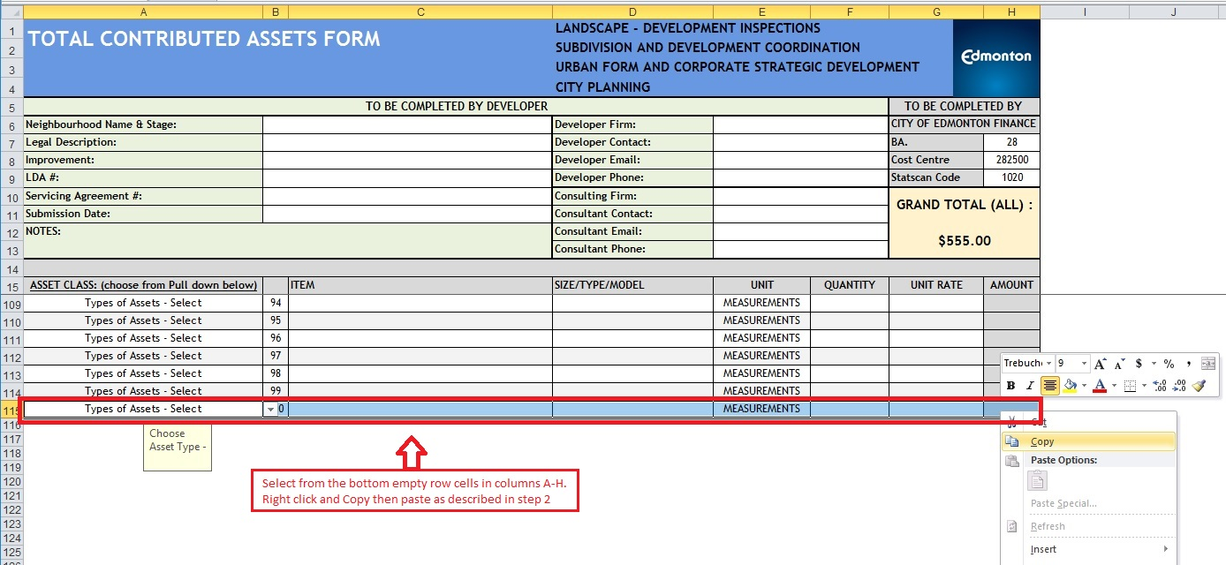

STEP 2:
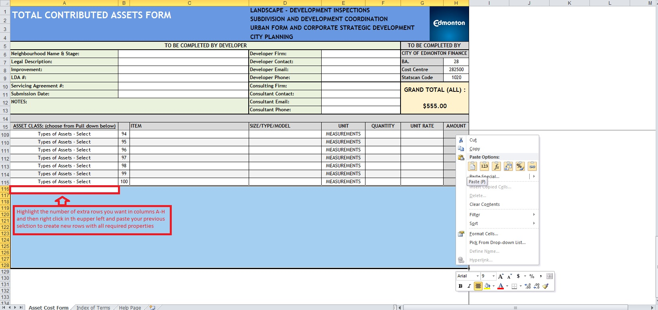

NOTE: IF ASSET FORM EXCEEDS 600 ROWS TOTAL FORMULAS ON MAIN PAGE AND FINANCIAL SUMMARY MUST BE CHECKED

